Sheet1
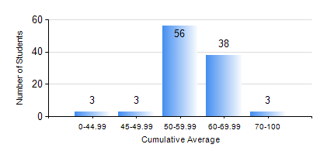
 |  |  | KWAME NKRUMAH UNIVERSITY OF SCIENCE AND TECHNOLOGY, KUMASI Department of Agricultural and Biosystems Engineering

 |  |  | BSC. AGRICULTURAL ENG.

 |  |  | COMPREHENSIVE RECORD OF EXAMINATION RESULTS

 |  |  | RESULTS OF YEAR 3 FIRST SEMESTER, 2021/2022 ACADEMIC YEAR

 | Sn | Course Code |  | Course Name | Credit Hours | Min. Mark | Max. Mark | Avg. Mark | Std. Dev. | No. Passed | No. Trailed | No. (Df) | No. (I) | No. (I*) | No. Tagged(I,I*,Df) | Total
 | 0. |  |  |  |  |  |  | 0 | 0 | 0 | 0 | 0 | 0 | 0 | 0 | 4
 | 1. | AE 351 |  | SOIL AND WATER ENGINEERING | 3 | 41 | 87 | 70 | 10.94 | 99 | 0 | 0 | 0 | 0 | 0 | 99
 | 2. | AE 353 |  | AGRICULTURAL MATERIALS HANDLING AND PROCESSING | 3 | 23 | 74 | 57 | 8.92 | 97 | 2 | 0 | 0 | 0 | 0 | 99
 | 3. | AE 373 |  | MACHINE DESIGN I | 3 | 17 | 67 | 54 | 8.11 | 97 | 2 | 0 | 0 | 0 | 0 | 99
 | 4. | AE 381 |  | COMPUTER APPLICATION FOR AGRICULTURAL ENGINEERS | 2 | 27 | 86 | 57 | 12.79 | 97 | 2 | 0 | 0 | 0 | 0 | 99
 | 5. | MATH 351 |  | NUMERICAL ANALYSIS | 2 | 22 | 75 | 58 | 8.96 | 95 | 4 | 0 | 0 | 0 | 0 | 99
 | 6. | ME 355 |  | STRENGTH OF MATERIALS II | 3 | 14 | 93 | 68 | 14.91 | 95 | 4 | 0 | 0 | 0 | 0 | 99
 | 7. | ME 365 |  | THERMODYNAMICS II | 3 | 18 | 74 | 49 | 7.3 | 96 | 2 | 0 | 1 | 0 | 1 | 99

